OPL business process original
OPERATING LEASE BUSINESS PROCESS

1. MASTER DATA
2. MARKETING
3. PROCUREMENT

4. BILLING COLLECTION
5. DISBURSEMENT
6. INSURANCE CLAIM

All Menu
OPERATING LEASE BUSINESS PROCESS
Existing |  |  |  |  | Design
OPERATING LEASE BUSINESS PROCESS

1. REGISTRATION
1. MASTER DATA
 | 1 | Customer Information
 | 2 | Supplier Information
 | 3 | Product Information
 | 4 | Maintenance Category
 | 5 | Maintenance Item

2. MARKETING
2. MARKETING
 | 1 | Visit Customer Survey | 6 | Agreement Information Inquiry
 | 2 | Complement Document | 7 | Calculation of Refinance
 | 3 | Calculation of OPL (Cashflow Method) | 8 | Refinance Quotation
 | 4 | OPL Quotation
 | 5 | SKD Process

3. PROCUREMENT
3. PO CUSTOMER
 | 1 | Monitoring PO

PROCUREMENT

4. MANAGEMENT
4. PURCHASE MANAGEMENT
 | 1 | Monitoring Unit Preparation | 6 | Monitoring Payment History Integration
 | 2 | Monitoring OPL & Replacement Unit | 7 | Monitoring Overdue Integration
 | 3 | Monitoring Document Complement | 8 | Monitoring Debit Credit Note Integration
 | 4 | Monitoring Agreement Integration Process | 9 | Monitoring Invoice Number Integration
 | 5 | Monitoring Payment Schedule Integration

5. COLLECTION
5. ASSET MANAGEMENT
 | 1 | Monitor Schedule
 | 2 | Monitor Overdue
 | 3 | Manage Warning Letter
 | 4 | Manage RAL
6. DOCUMENT MANAGEMENT
 | 5 | Manage Invoice
6. MAINTENANCE

 | 1 | Maintenance Calculation Budget
 | 2 | List Of Maintenance Schedule
 | 3 | Maintenance Payment Approval

7. COLLECTION
7. ASSET SELLING
 | 1 | Manage Memo
 | 2 | Manage Report

8. CASHIER

9. ACCOUNTING

Marketing
OLSS

Customer Survey
Calculation OPL
Quotation
SKD
(Surat Keputusan Direksi)
Agreement

Create Calculation OPL
(Cashflow Method)
Create Visit Customer Survey
Create Quotation
Create SKD
Create Agreement

Customer Survey Result
Calculation Report & Internal Proposal
Yes

Approval SKD
Agree to Lease
Approval Agreement

No
Agreement Sign Off Customer
Agreement Signed

End

1

Procurement
OLSS

BAST
Purchase Order

1

Monitoring Unit Preparation
Create Purchase Request
If user didn't proceed BAST, transaction should be appear in Outstanding

Unit receive
from dealer
Approve Purchase Request
Follow up to dealership

Yes

Create BAST from Dealer to DSF
Create Purchase Order

BAST from Dealer to DSF
Invoice Receipt from Dealer

Unit send to
customer
Approval Purchase Order

Create BAST from DSF to customer

BAST from DSF to Customer

Surat Jalan

Unit receipt by customer
Receipt Unit Report

End

Billing Collection
MFAPPL
OLSS

Monitoring Billing
Billing Process

Send payment schedule to OLSS

Receive payment schedule from MFAPPL

Is there
payment
scedule?

payment schedule appear in collection monitor schedule

Generate Invoice
1
Receive invoice from MFAPPL

Invoice

Send Invoice to OLSS
Receive payment history from MFAPPL

Send Invoice by Email/by courier

Is there a payment?
Monitor Billing 7 days before end of usage unit
End
OLSS
No
Monitoring Payment Billing

Is there a payment?
No
Monitor Billing 5 days before due date
Create Reminder Memo
Send Reminder by Email

Yes

Request email/Receive email from PIC treasury RK Bank
Monitor Billing 1 days before due date
Yes
Rekening Koran Bank
Is there a payment?
1
Input Promise to Pay
No
Overdue 1-30 calender days

Input Payment Billing

Yes
Overdue 31-60 calender days

Is there a payment?
Is there
overdue?
Create warning Letter
1
No
Yes

Record Payment
Warning Letter
Overdue 61-90 calender days

No
Yes
Overdue > 90 calender days
End
Monitor Billing
Send email of Warning Letter to Customer
1

Does customer
respond?
Does customer respond?
Follow Up Via Phone
No
Visit Customer
No

Yes

Does customer promise to pay?

No
Create RAL
Manage Return Unit

Return of Authorization Letter (RAL)

Yes

Input Promise to pay customer

Monitor Billing Overdue

Asset Management
OLSS - UNIT MANAGEMENT PROCESS
MFAPPL

Monitoring Asset
Monitoring Asset

Receive info BAST already generated
BAST already generated?

Is new asset
acquistion?
For monitoring asset in status replacement, OPL & Disposal unit
Monitoing OPL Unit & Replacement Unit
Unit appear in monitoring asset & asset's document

Monitoring Document Complement
Yes
For monitoring asset's document (STNK, KEUR & Insurance Policy)

need
maintenance?
Input new asset acquisition
No
Monitoring asset until end contract in agreement
unit repair?
Create Maintenance Calculation Budget
Create work Order
Unit repaired in workshop
Receive invoice maintenance from workshop
Input Payment WorkOrder
End

Create depreciation schedule

Type of replacement
1. General repair : maintenance more than 24 hours
2. Assurance Claim : due to accident or body repair
3. Special Condition : due to damaged of unit replacement
need
replacement car
No
Yes
Register for unit replacement
Status OPL Unit change
End

Create journal disbursement

Is unit extend contract?
Is unit propose to disposal?
No
Unit transfer to new agreement
End

End
Yes
Yes

Extend agreement period
Receive Disposal Number from MFAPPL

Create memo asset selling

Create profit analys sell

Status OPL Unit change

Monitoring Asset's Document
OLSS - UNIT MANAGEMENT PROCESS (DOCUMENT COMPLEMENT)

Monitoring Asset's Document

3

BAST already generated?

No
transaction appear in outstanding

Yes

Unit appear in monitoring document complement
1
2
3

does unit have STNK?
does unit have KEUR?
does unit have Insurance?
No
No
No
1
2
3
End
End
End

Yes
Yes
Yes

Is there an update?
Is there an update?
Is there an update?

Yes
Yes
Yes

Update expired insurance policy

Update progress status STNK
Update renewal STNK document
Update progress status KEUR
Update renewal KEUR document

Save update expired insurance policy

Save progress status KEUR
Save progress status STNK
Save renewal STNK document
Save renewal KEUR document

End

End
Validate renewal STNK document
End
Validate renewal KEUR document

End
End

Perbaikan pada calculation
00551/OCN/01/11/2021 contoh data
Jika ingin dalam 1 calculation terdiri dari beberapa product

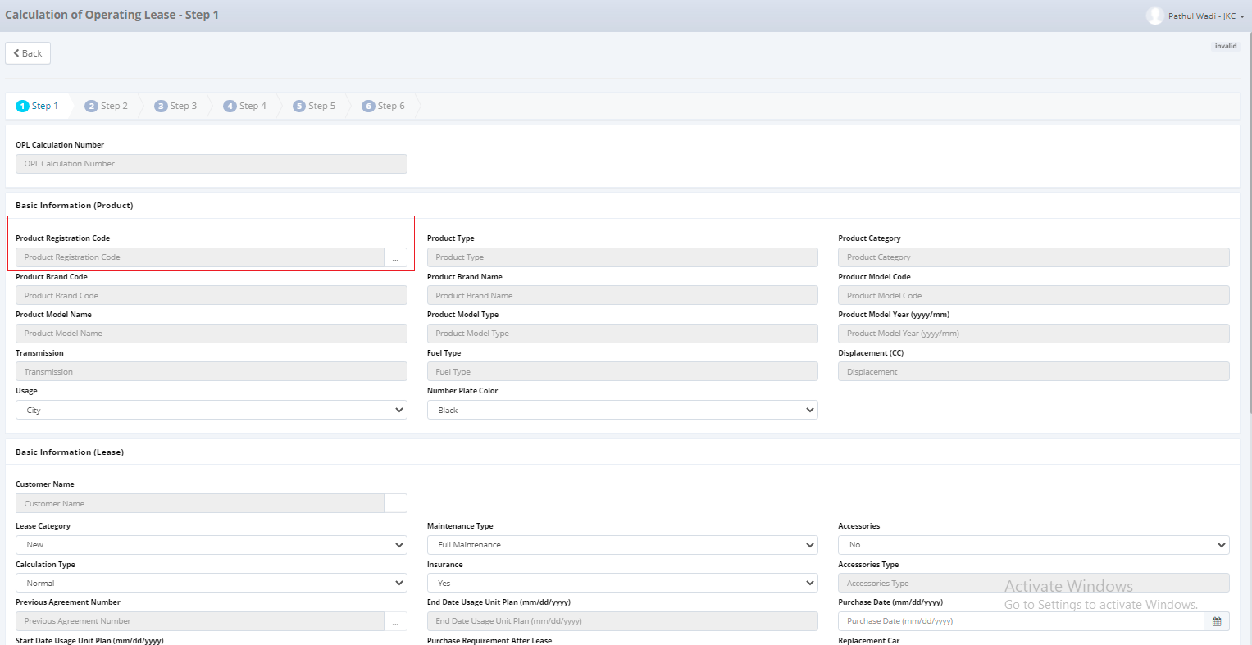

 | 1. Pada data product lebih dari satu data, bagaimana data secara dbnya? Yang terjadi saat ini (migrasi) data yang masuk pada OPL Calculation jadi lbh dari satu (namun product code berbeda) -> Mungkin bisa dipecah ada detailnya
 | 2. Penambahan check box untuk memilih beberapa product sekaligus kemudian klik save untuk menyimpan data product yang akan digunakan perhitungan
 | 3. Jika data lebih dari satu product, bagaimana untuk maintenancenya? Apakah maintenance typenya sama? Maintenance Type : a. Full Maintenance b. Limited c. Customer Service Desk d. Non Maintenance | Maintenance type berpengaruh pada perhitungan calculation step 3 dan pada report maintenance by category

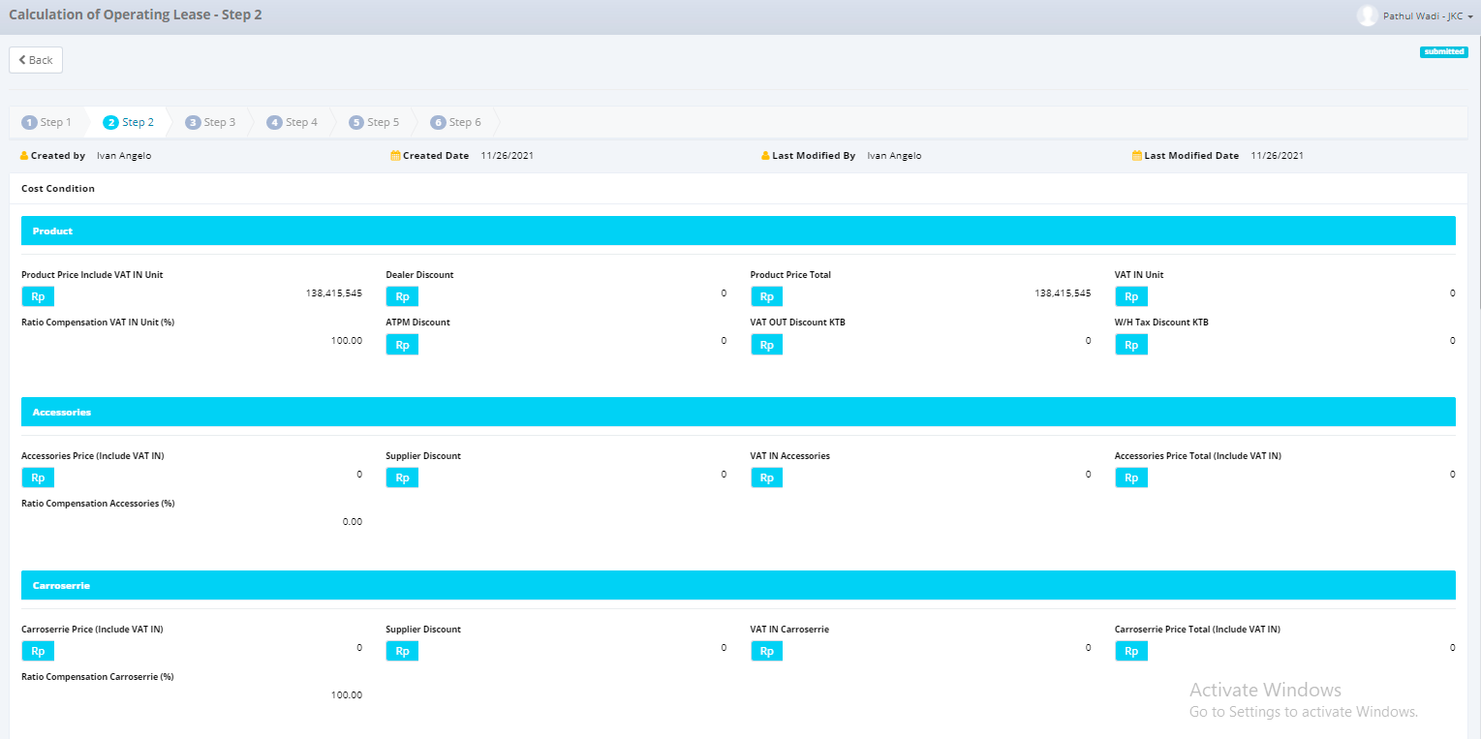

 | 4. Penambahan row product, accessories, carroserrie price include VAT IN Unit lebih dari satu (jika terdapat lebih dari satu product)
 | 5. Penambahan residual value untuk masing-masing product (jika terdapat lebih dari satu product)

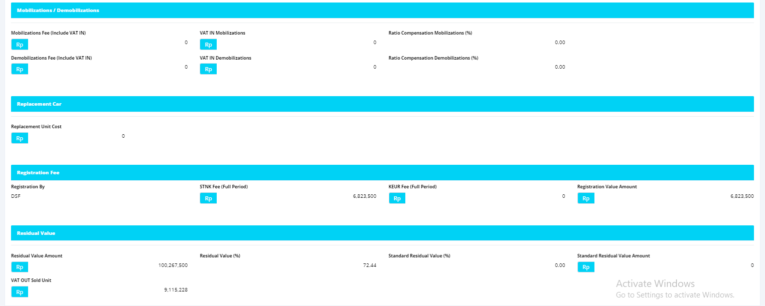

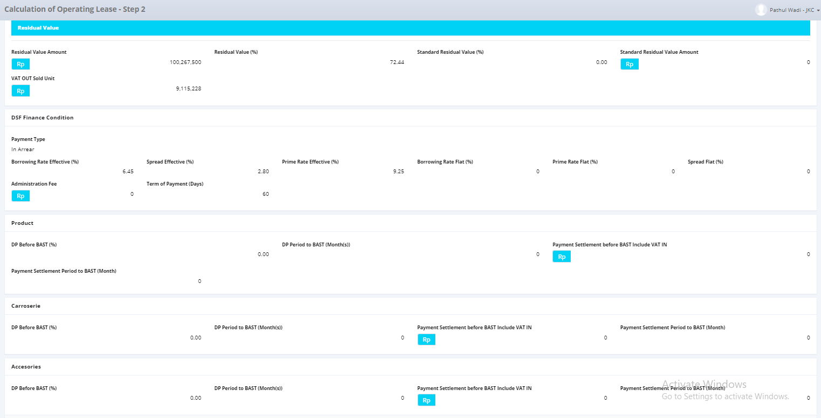

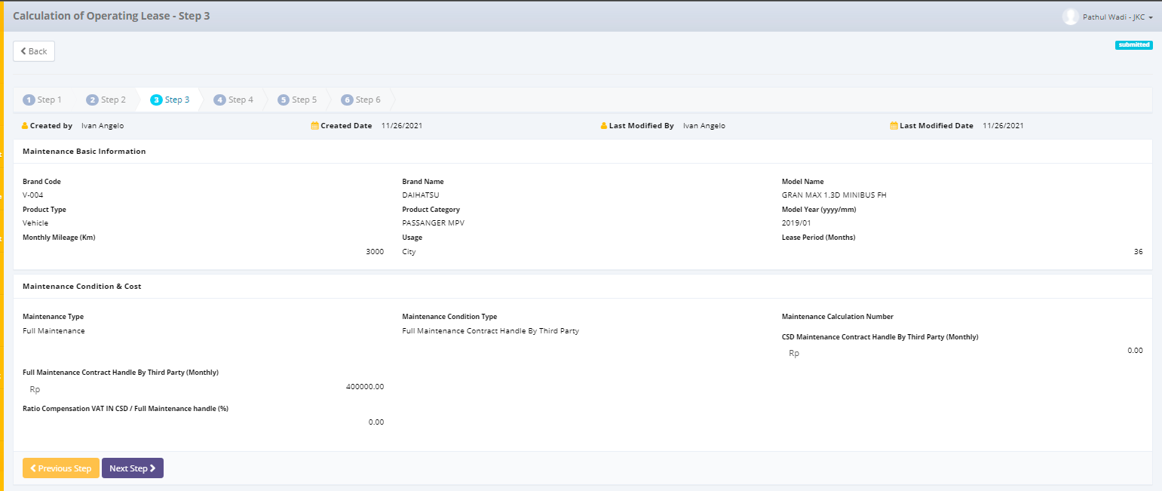

 | 6. Penambahan opsi maintenance untuk masing-masing jenis product | Maintenance Type | Maintenance Condition Type
 |  | Full Maintenance | Full Maintenance Contract Handle by Third Party
 |  |  | Full Maintenance Contract Handle by DSF
 |  | Limited | Full Maintenance Contract Handle by Third Party
 |  |  | Full Maintenance Contract Handle by DSF
 |  |  | CSD Maintenance Contract Handle by Third Party
 |  |  | CSD Maintenance Contract Handle by DSF
 |  | Customer Service Desk | CSD Maintenance Contract Handle by Third Party
 |  |  | CSD Maintenance Contract Handle by DSF
 |  | Non Maintenance | Disable

 | 7. Pada step 3 bisa dihilangkan (?) dan digabung ke step 1. Flownya adalah pilih maintenance typenya kemudian maintenance condition dan isi nilai maintenance (Field Full & CSD Maintenance contract handle by third party digabung menjadi field 'Maintenance Amount' apakah ada impact jika dilakukan seperti ini?)

 | 8. TOP mode free text (?) ada pengaruh ke generate invoice tidak? Penerbitan invoice melihat dr tanggal apa? CEK !!

